Pivot Table sheet
 | 1 Age Distribution of Patients

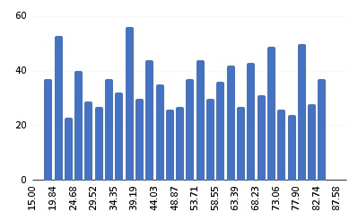

2.Drug distribution by trial phase

3.Side effect by drug | 2 Gender Breakdown of Participants
COUNT of Gender

4 Patient distribution by ethnicity

 | 3 Drug Distribution by Trial Phase

5 Average Dose Administered by Drug

Phase I, Phase II, Phase III and Phase IV

6 Efficacy Score by Drug and Age Group

 | 4 Average Efficacy Score by Drug

AVERAGE of Efficacy_Score vs Drug_Name

 | 5. Side Effects by Drug
COUNT of Side_Effects vs Drug_Name

 | 6. Survival Rate by Drug

7 Progression-Free Survival by Mutation Status
AVERAGE of Survival_Rate vs Drug_Name

8 Survival Rate by Gender and Drug

 | 7. Success Rate by Gender
AVERAGE of Success_Indicator vs Gender

AVERAGE of Progression_Free_Survival vs Drug_Name
 | 10. Progression-Free Survival by Drug
9 Side Effects by Age Group and Treatment Outcome

 | 11. Success Rate by Age Group

AVERAGE of Success_Indicator vs Age

 | 13. Adverse Events by Age Group

COUNTA of Adverse_Events

 | 14. Progression-Free Survival by Mutation Status

AVERAGE of Progression_Free_Survival vs Mutation_Status

AVERAGE of Success_Indicator vs Trial_Phase

10 Drug Efficacy by Gene Mutation

11 Success Rate Correlation with Dose Administered

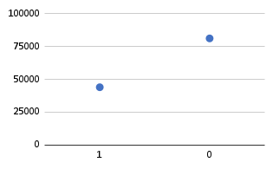

12 Gene Expression Level vs. Survival Rate

13 dverse Events by Progression-Free Survival

14 Treatment Duration Impact on Efficacy

15 Biomarker Levels vs. Treatment Outcome

Medium-Level Questions
1 Drug Efficacy by Age Group and Gender

2 Adverse Events by Drug and Mutation Status

3 Progression-Free Survival by Drug and Treatment Outcome

4 Correlation between Treatment Duration and Side Effects
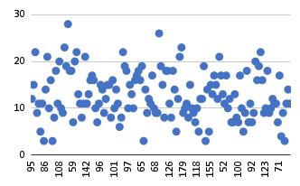

5 Survival Rate by Ethnicity and Drug

6 Gene Expression Level by Treatment Outcome

7 Success Rate by Drug and Gender

8 Impact of Gene Mutation on Side Effects

9 urvival Rate by Progression-Free Survival

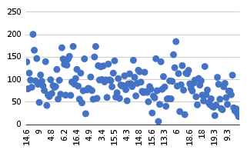

10 Drug Success Rate by Trial Phase

Dashboard
Pfizer’s Personalized Medicine Dashboard

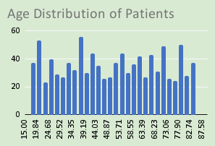
Drug Distribution by Trial Phase
COUNT of Side_Effects
AVERAGE of Success_Indicator

Gender Breakdown of Participants
AVERAGE of Efficacy_Score
AVERAGE of Survival_Rate
AVERAGE of Progression_Free_Survival

AVERAGE of Success_Indicator vs Age
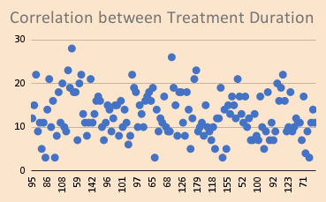
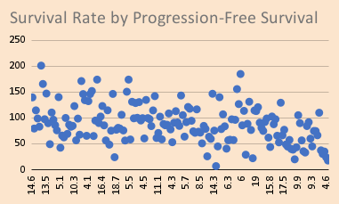

AVERAGE of Progression_Free_Survival vs Mutation_Status
AVERAGE of Success_Indicator vs Trial_Phase
COUNTA of Adverse_Events

